Pls Reply_ Harbor-Github_Info
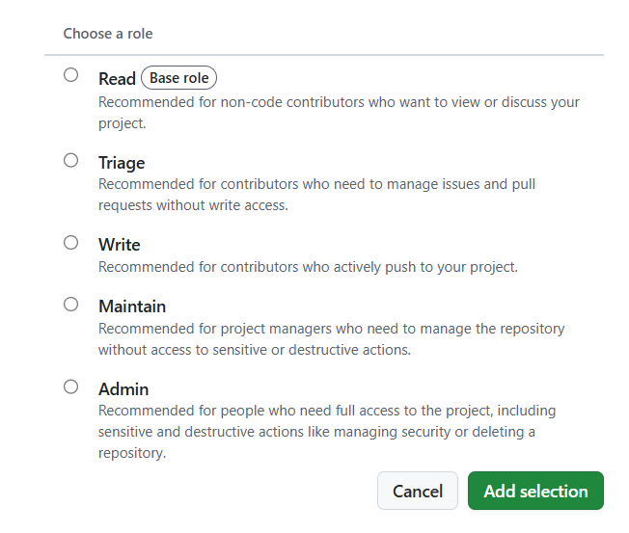
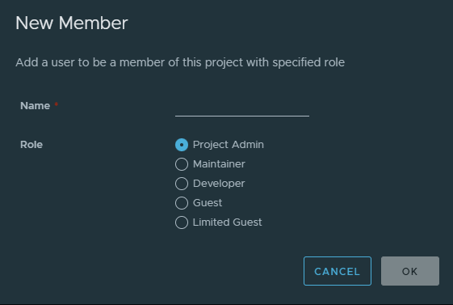
 | Harbor | https://harbor.edgesync.cloud/ | Please sign up Harbor Account & Github Account, and pls provide below info in yellow back to ACC Maintainer (Benson.chen@advantech.com.tw ) - Thanks
 | Github | https://github.com/Advantech-EdgeSync-Containers | Please Follow ACC_Listing Flow: A. Developer Release Flow 開發者發布流程 , thanks

 | Name | Email | Role | Github Access Level | Harbor Access level | Harbor username | Remarks
for example | Benson Chen | benson.chen@advantech.com.tw | Project Manager | Admin |  | benson.chen | Harbor username can also be Full email address
 | eric.liang | Eric.liang@advantech.com.tw | Architect ? |  | Developer (Read/Write) | eric.liang
 | tim.shen | Tim.Shen@advantech.com.tw | RD? |  | Developer (Read/Write) | tim.shen
 | kent.yao | Kent.Yao@advantech.com.tw | QA? |  | Developer (Read/Write) | kent.yao | Harbor user Not found
 | Lin | Lin.Hsu@advantech.com.tw |  |  |  | Lin | Harbor user Not found
 | will.qiu | Will.Qiu@advantech.com |  |  |  | will.qiu | Harbor user Not found
 | yanwei.cao | yanwei.cao@advantech.com.cn |  |  |  | yanwei.cao | Harbor user Not found
 | zhihao.zhu | zhihao.zhu@advantech.com.cn |  |  |  | zhihao.zhu | Harbor user Not found
 | Charles.Huang | Charles.Huang@advantech.com.tw |  |  |  | Charles.Huang | Harbor user Not found
 | Clayder.Huang | Clayder.Huang@advantech.com.tw |  |  |  | Clayder.Huang | Harbor user Not found
 | Hank.Hsueh | Hank.Hsueh@advantech.com.tw |  |  |  | Hank.Hsueh | Harbor user Not found

 |  | Github Access Levels |  |  | Harbor Access Levels

Harbor Guide
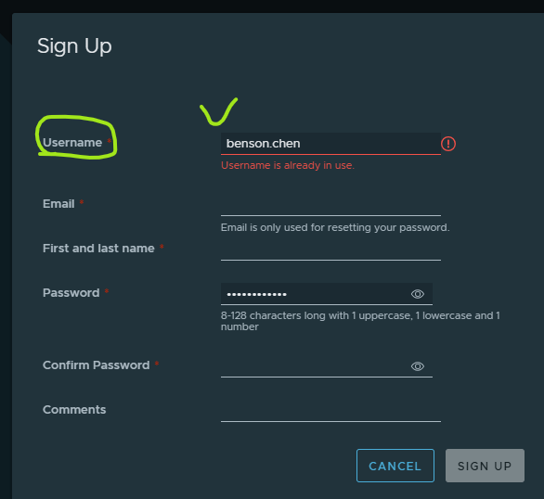
Prepare In Advance 事前準備 | [Container Developer] 1. Sign up Harbor Registry Account List 2. Provide Harbor Username (/ username list) to ACC maintainer (Benson.Chen@advantech.com.tw) [Advantech Container Catalog (ACC) Maintainer ] 1. Create container project for developer 2. Provide container project space to developer | [Container Developer] 1. Provide Github email (/ email list) to ACC maintainer (Benson.Chen@advantech.com.tw) [Advantech Container Catalog (ACC) Maintainer] 1. Create Github repo for each developer organization

Harbor User Guide
Harbor docs | Pulling and Pushing Images in the Docker Client |  | Harobr login reference

Sign up and prvoide "Username"

Container Level Define
